Instructions
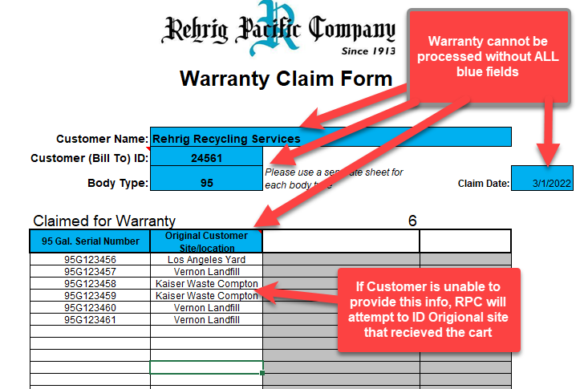
Instructions for Filing a Warranty Claim

Standard Submission Process
Using the form on the following sheet please fill out the required Blue fields per the below criteria.
The customer ID# is a 6-digit alphanumeric code which can be found on a previous invoice or sales order form.
Using a separate Tab for each cart size please list the serial numbers (as printed on your cart) of the damaged Rehrig carts.
Include any prefix and any leading zeros
Do NOT include spaces or dashes
E-mail completed forms to your account specialist
Validation should be submtted with frequency allowing batches of less than 275 carts.
Note: Lock waranties for all sizes of carts to be submitted on Validate Locks Tab

 |  | Standard Warranty Process

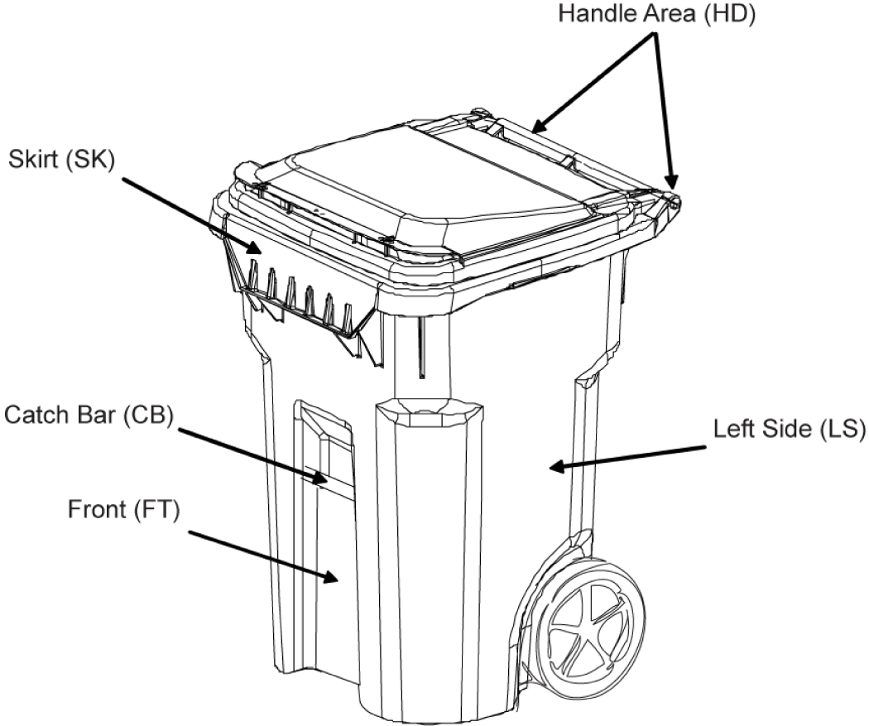
 |  |  | Customers must provide all identifying information listed above for accurate Warranty processing
 |  |  | Based on the information submitted, RPC will search warranty records for the unique Cart warranty status.
Warranty Code and Location Key |  |  | Customers may request the valudation status "validated" or "Invalidated" from RPC
SK | Skirt (Upper Lifting Point) |  | Customers that feel a warranty has been rejected in error may do so via Rehrig's Warranty Escallation Process
CB | Catch Bar |  | Please note that it may take up to 4 business days from the receipt of the submission to have the claims processed and the results reported back to you.
AX | Axle Area | Escalation Process
BK | Back of Cart |  | Customers may submit pictures and identifying information for additional review.
FT | Front of Cart (Not Skirt or Catch Bar) |  | All requests for escalation Must be submitted via Rehrig's webform
LS | Left Side |  | Each cart must be individually submitted with required photographs of good quality.
RS | Right Side |  | Required photographs: Legible serial number, Breakage area, Date code
HD | Handle Area |  | RPC will respond within 8 days as to the final status of warranty.

 |  | ` | Link to Escalation Webform

ValidateLocks
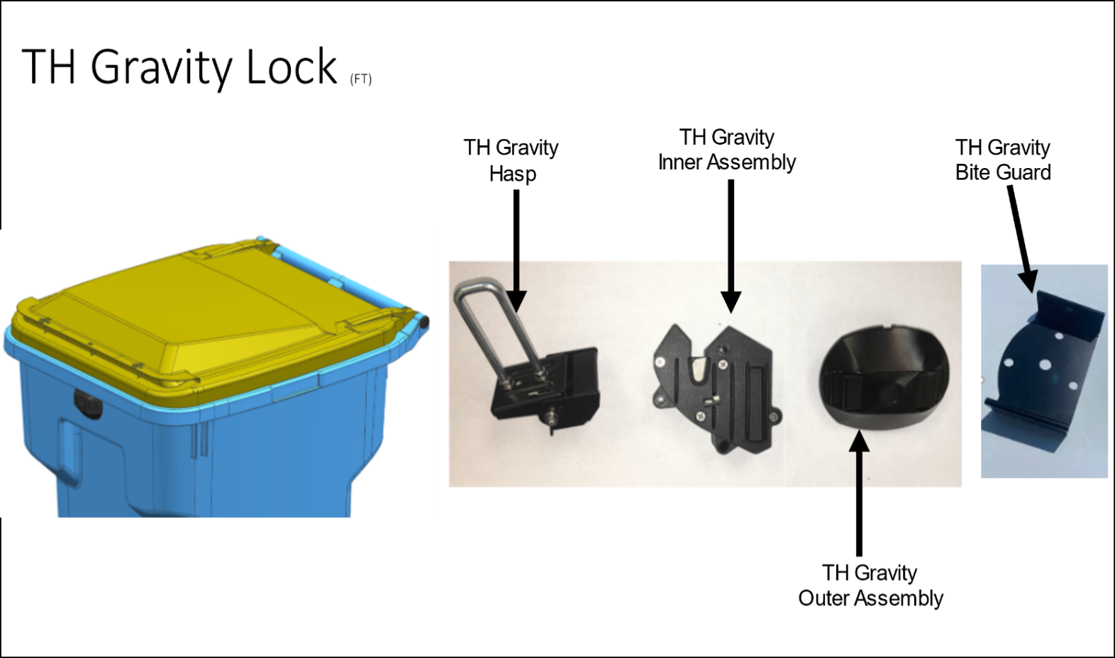
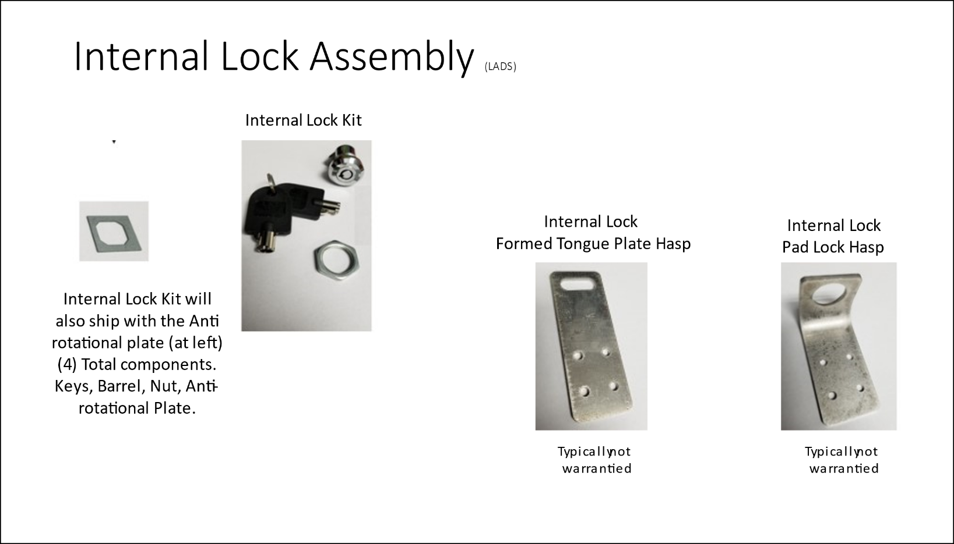
Lock Mechanism Warranty Form

 |  | Customer Name:
 |  | Customer (Bill To) ID:
 |  | Claim Date
 | Claimed for Warranty |  |  |  | 0
 | Select Size 95 65 35 | Serial # | Lock Component | Original Ship-to Site/location | Lock Part #



            

